Manage Report
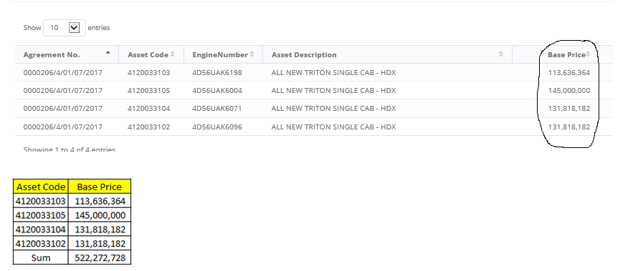
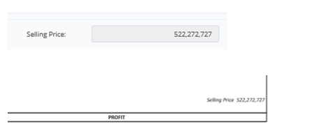
Satu Report terdiri dari multiple memo :

No.Report : 00002/RPT/AUC/03/2020
Terbentuk dari Memo : 00025/AUC/02/2020 & 00031/AUC/02/2020.

COP - Selling Price - Report
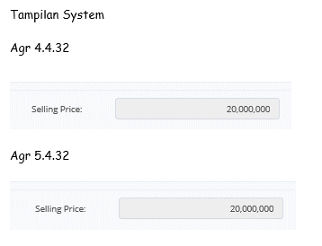
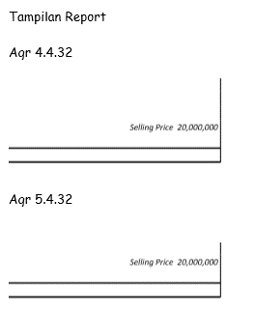
Link : http://10.1.1.37/olss_crS0200996(merged)/DISAssetSelling/DetailReportApproval/339
No.Report COP : 001/RPT/00048/COP/03/2020 (memo : 00048/COP/03/2020)

